Molecules
SMILES | CORRESPONDING MOLECULE | MOLECULE PICTURE
CC(C)(c1ccc(OCC2CO2)cc1)c1ccc(OCC2CO2)cc1 | DGEBA | 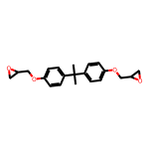
C(C(CO)O)O | Glycerol | 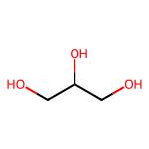
C(CC(=O)O)C(=O)O | Succinic acid | 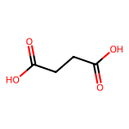
O=C(O)CCCCCCCCC(=O)O | Sebacic acid | 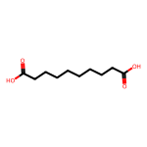
CCOC(=O)CC(=O)OCC | DEM | 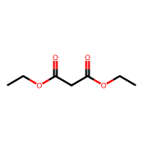
C1CC(=O)OC(=O)C1 | Glutaric anhydride | 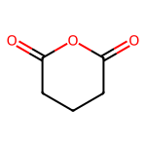
C1C(O1)CN(CC2CO2)C3=CC=C(C=C3)OCC4CO4 | 3-DGOA | 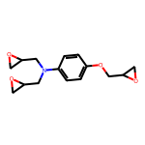
C1C(O1)CN(CC2CO2)C3=CC=C(C=C3)CC4=CC=C(C=C4)N(CC5CO5)CC6CO6 | 4-DGA | 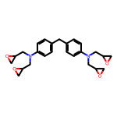
C1C(O1)COCCCCOCC2CO2 | 1,4-butanediol diglycidyl ether | 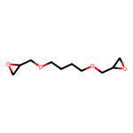
CCCCOCC1CO1 | butyl glycidyl ether | 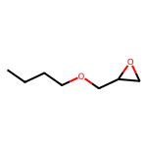
C(CN(CCN)CCN)N | tris(2-aminoethyl)amine | 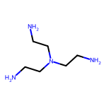
CC(=O)CC(=O)OCC(COC(C)COC(C)COC(C)COC(C)COC(C)CO)CC(=O)CC(=O)O | Bis-polypropylene400 glycol acetoacetate | 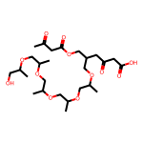
C1=CC(=O)OC1=O | Maleic anhydride | 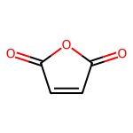
COC1=C(C=CC(=C1)C=NC2=CC=C(C=C2)CC3=CC=C(C=C3)N=CC4=CC(=C(C=C4)O)OC)O | VSB | 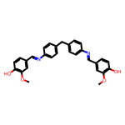
O=C1c2c(O)cc(O)cc2O[C@H](c2cc(O)c(O)c(O)c2)[C@H]1O | DHM | 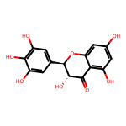
CCCCCC1C(O1)CC2C(O2)CCCCCCCC(=O)OCC(COC(=O)CCCCCCCC3C(O3)CC4C(O4)CCCCC)OC(=O)CCCCCCCC5C(O5)CC6C(O6)CCCCC | Epoxidized soybean oil | 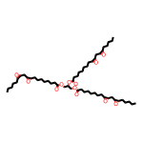
C1=C(C=C(C(=C1O)O)O)C(=O)OC2=CC(=CC(=C2O)O)C(=O)OC[C@@H]3[C@H]([C@@H]([C@H]([C@@H](O3)OC(=O)C4=CC(=C(C(=C4)OC(=O)C5=CC(=C(C(=C5)O)O)O)O)O)OC(=O)C6=CC(=C(C(=C6)OC(=O)C7=CC(=C(C(=C7)O)O)O)O)O)OC(=O)C8=CC(=C(C(=C8)OC(=O)C9=CC(=C(C(=C9)O)O)O)O)O)OC(=O)C1=CC(=C(C(=C1)OC(=O)C1=CC(=C(C(=C1)O)O)O)O)O | Tannic acid | 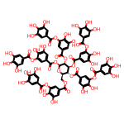
COc1ccc(C=NC2CC(C)(C)CC(C)(CN)C2)cc1O | IH | 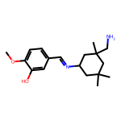
C1CC(CCC1C(=O)O)C(=O)O | 1,4 cyclohexane dicarboxylic acid | 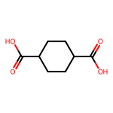
C1C(C(CC2C1O2)C(=O)OCC3CO3)C(=O)OCC4CO4 | DGEAC | 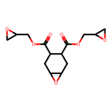
C[C@]12[C@@](C(C=C3[C@]2(CC[C@]4(C)[C@@]3([H])C[C@](C(O)=O)(C)CC4)C)=O)([H])[C@@]5([C@@](C(C)([C@@H](O[C@]6([H])[C@@H]([C@H]([C@H](O)[C@@H](C(O)=O)O6)O)O[C@]7([H])O[C@@H]([C@@H](O)[C@H](O)[C@H]7O)C(O)=O)CC5)C)([H])CC1)C | Glycyrrhizic acid | 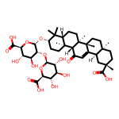
C1C(O1)COC2=CC=C(C=C2)C(C3=CC=C(C=C3)OCC4CO4)C5=CC=C(C=C5)OCC6CO6 | tris(4-hydroxyphenyl)methane triglycidyl ether | 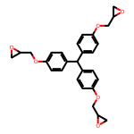
C(CC(=O)O)CC(=O)O | Glutaric acid | 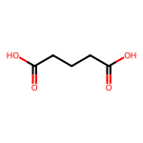
C1CC2C(O2)CC1COC(=O)C3CCC4C(C3)O4 | 3,4-epoxycyclohexylmethyl-3'-4'-epoxycyclohexane-carboxylate | 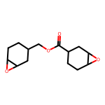
C(CCCCCC(=O)O)CCCCC(=O)O | Dodecanedioic acid | 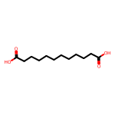
C(C(CC(=O)O)C(=O)O)C(=O)O | 1,2,3-propanetricarboxylic acid | 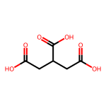
C(CC(=O)O)C(CCC(=O)O)C(=O)O | 1,3,5-pentanetricarboxylic acid | 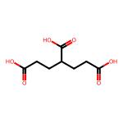
CCCCCCCCC(CCCCCCCCC(=O)O)C(CCCCCCCC(=O)O)CC/C=C\CCCCC | Dimer fatty acid | 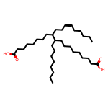
C=C(C)CC.C1C(O1)C(C)CC | ENR50 | 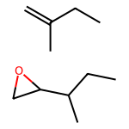
C1C(O1)CN(CC2CO2)C3=CC=C(C=C3)CC4=CC=C(C=C4)N(CC5CO5)CC6CO6 | 4,4'-methylenebis(N,N-diglycidylaniline)
NCCCCCCCCCCCCCCCC(CC1CCCCCCCCCC1)CCCCCCCCCCCCCCCNC | Priamine 1074 | 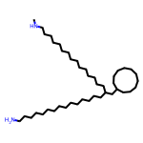
C1C[C@H](C[C@H](C1)CN)CN | 1,3-bis(aminomethyl)cyclohexane | 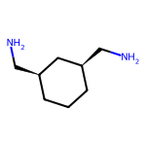
CC(=O)CC(=O)OCCCCOC(=O)CC(=O)C | 1,4-butanediol diacetoacetate | 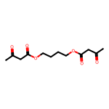
COc1cc(ccc1OCC2CO2)C=Nc3ccc(Nc4ccc(cc4)C=Nc5ccc(OCC6CO6)c(OC)c5)cc3 | DIDG | 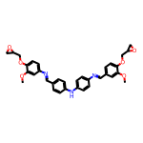
NCC(C)OCC(C)OCC(C)OCC(C)N | Jeff D230 | 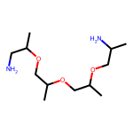
NCC(C)OCC(C)OCC(C)OCC(C)OCC(C)OCC(C)OCC(C)N | Jeff D400 | 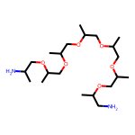
NCC(C)OCC(C)OCC(C)OCC(C)OCC(C)OCC(C)OCC(C)(COCC(C)OCC(C)OCC(C)OCC(C)OCC(C)N)OCC(C)OCC(C)OCC(C)OCC(C)OCC(C)N | Jeff T403 | 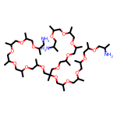
CCC(COCC1CO1)(COCC2CO2)COCC3CO3 | TMPTE | 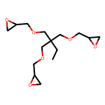
OCCOCC(=O)CCCCCC(=O) | STEPANPOL PC 10011-55 | 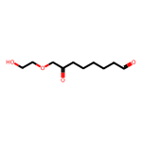
O=C(O)c1ccc(C(=O)O)o1 | 2,5-Furandicarboxylic acid | 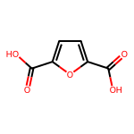
COC1=CC(=CC(=C1O)C2=C(C(=CC(=C2)C(=O)O)OC)O)C(=O)O | Divanillic acid | 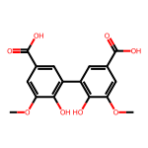
CCCCCC1OC1CC1OC1CCCCCCCC(=O)OCC(COC(=O)CCCCCCCC1OC1CC1OC1CCCCC)OC(=O)CCCCCCCC1OC1CC1OC1CCCCC | Epoxidized soybean oil | 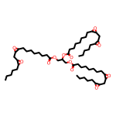
COC1=CC(=CC(=C1OCCCC)C2=C(C(=CC(=C2)C(=O)O)OC)OCCCC)C(=O)O | Butoxylated divanillic acid | 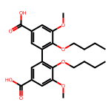
CCCCC1C=CC(/C=C/CCCCCCC(=O)N(CCOC(=O)CCC=O)CCOC(=O)CCC(O)=O)C(C1C(O)=O)C(O)=O | TFA | 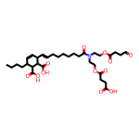
CC(C(C1=CC2=C(C(=C1)OC)OC(C2CO)C3=CC(=C(C=C3)OC(CO)C(C4=CC(=C(C=C4)O)OC)OC5=C(C=C(C=C5OC)C(C(CO)OC6=C(C=C(C=C6)C7C8COCC8C(O7)C9=CC(=C(C(=C9)OC)O)OC)OC)OC1=C(C=C(C=C1)C(C(CO)OC1=C(C=C(C=C1)C=CCO)OC)O)OC)O)OC)O)O | Organosolv lignin | 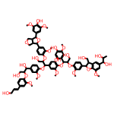
NCCCCCCN | hexamethylenediamine | 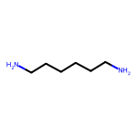
CCc1c(C)cc(N)c(CC)c1N | DETDA | 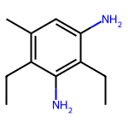
Nc1ccc(SS)cc1 | 4-AFD | 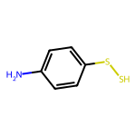
[*]C1=CC(=C(C=C1O)OCC2CO2)O | GEL | 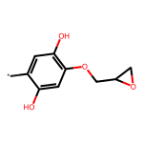

Catalysts
SMILES | CORRESPONDING MOLECULE | MOLECULE PICTURE
CC(=O)/C=C(/C)O[Zn]O/C(C)=C\C(C)=O.O | Zn(acac)2 | 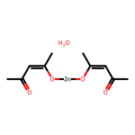
CCCCC(CC)C(=O)[O-].CCCCC(CC)C(=O)[O-].[Sn+2] | Sn(Oct)2 | 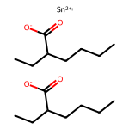
[Zn+2].O=C([O-])C=C.O=C([O-])C=C.N#CC=C | Zn-PAM | 
CC(=O)[O-].CC(=O)[O-].[Zn+2] | Zn(OAc)2 | 
C1CN=C2NCCCN2C1 | TBD | 
Cc1ccc(S(=O)(=O)O)cc1 | para-toluene sulfonic acid | 
CN1CCN(C)C1=O | DMI | 
CN(C)Cc1cc(CN(C)C)c(O)c(CN(C)C)c1 | 2,4,6-Tris(dimethyl aminomethyl) phenol | 
C([Sn](O)=O)CCC | Monobutyltin Oxide | 
C1CCC2=NCCCN2CC1 | DBU | 

Polymers
SMILES | CORRESPONDING MOLECULE | MOLECULE PICTURE
[*]OCCCCOC(=O)CCC(=O)[*] | PBS | 
[*]OCCCCOCC(=O)c1ccc(C(=O)[*])cc1 | PBT | 
[*]CC([*])C | PP | 
[*]CC[*] | HDPE | 
[*]CC(C)O[*] | poly(propylene glycol diglycidyl ether) | 
[*]CCO[*] | poly(ethylene glycol diglycidyl ether) | 
[*]OCCOCCOCCOC(=O)CCCCCCCCC(=O)[*] | poly(trithylene glycol sebacate) | 
[*]CC(C)(C(=O)OCCO)[*] | poly(hydroxyethyl acrylate) | 
[*]CCO[*] | PEG
[*]OCCCCOC(=O)CCCCC(=O)OCCCOC(=O)c1ccccc1C(=O)O[*] | PBAT | 
[*]OCCOC(=O)c1ccccc1C(=O)[*] | PET | 
[*]OCCCCCOC(=O)CC(SCC=CC(O)=O)C(=O)COCCCCCOC(=O)CCCCC(=O)[*] | Pe-COOH | 
[*]CC(C)(C(=O)OCC1CO1)C(C(=O)OCC)C(C6=CC=CC=C6)[*] | ADR-4468 | 

